Sheet1
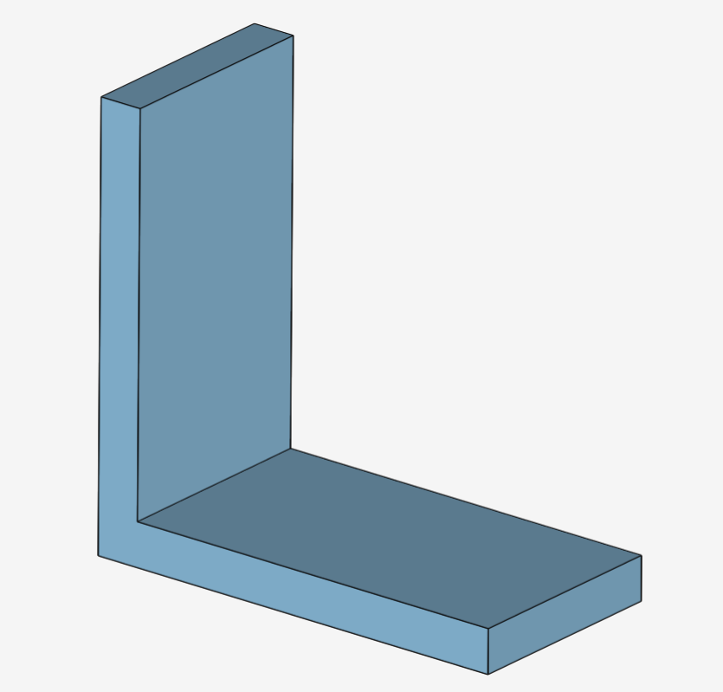
COURSERA - CONVERGENCE STUDY TEMPLATE

Convergence Study
37311 | 81.595
205824 | 151.457
0

Result Comparison Table

Mesh Name | Ref [mm] | #Nodes | Stress [MPa] | Variation [%] | Deflection [mm] | Variation [%] | DOFs
Mesh Coarse (Base Mesh) | 2.5 | 12437 | 82 |  | -0.295 | - | 37311
Mesh Medium | 0.25 | 68608 | 151.457 | 46.126623398 | -0.307 | 3.909 | 205824
Mesh Fine | 0.1 |  |  | #DIV/0! |  | #DIV/0! | 0
 |  |  |  |  |  |  | 0
 |  |  |  |  |  |  | 0

